OUTPUT DEFINITION
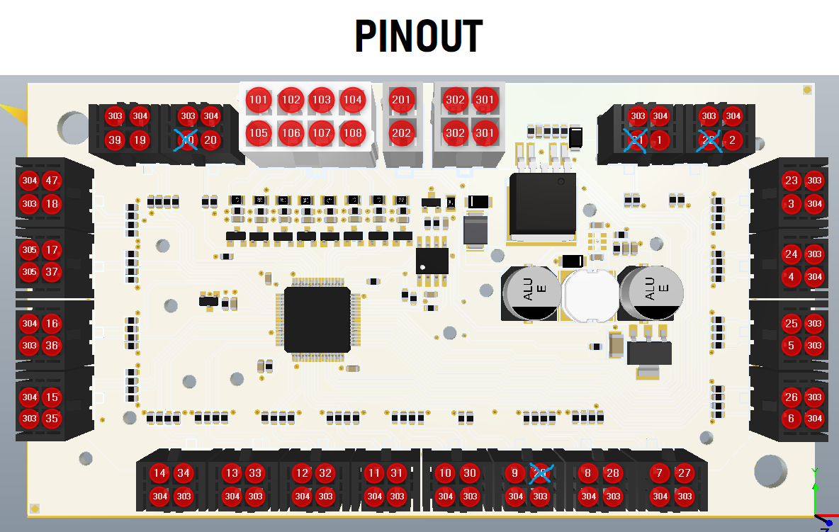
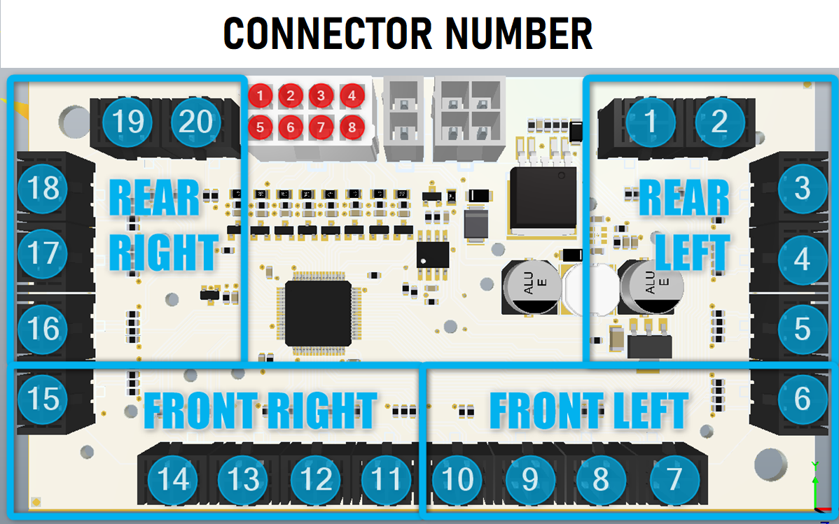
PIN | FUNCION | PIN | FUNCION
101 | IN01 | 1 | OUT_01
102 | IN02 | 2 | OUT_02
103 | IN03 | 3 | OUT_03
104 | IN04 | 4 | OUT_04
105 | IN05 | 5 | OUT_05
106 | IN06 | 6 | OUT_06
107 | IN07 | 7 | OUT_07
108 | IN08 | 8 | OUT_08
201 | CANH | 9 | OUT_09
202 | CANL | 10 | OUT_10
301 | +BAT | 11 | OUT_11
302 | -BAT | 12 | OUT_12
303 | +BAT_MODULOS | 13 | OUT_13
304 | -BAT_MODULOS | 14 | OUT_14
 |  | 15 | OUT_15
 |  | 16 | OUT_16
 |  | 17 | OUT_17
 |  | 18 | OUT_18
 |  | 19 | OUT_19
 |  | 20 | OUT_20
 |  | PIN | FUNCION
 |  | 21
 |  | 22
 |  | 23 | AUX_03
 |  | 24 | AUX_04
 |  | 25 | AUX_05
 |  | 26 | AUX_06
 |  | 27 | AUX_07
 |  | 28 | AUX_08
 |  | 29
 |  | 30 | AUX_10
 |  | 31 | AUX_11
 |  | 32 | AUX_12
 |  | 33 | AUX_13
 |  | 34 | AUX_14
 |  | 35 | AUX_15
 |  | 36 | AUX_16
 |  | 37 | AUX_17
 |  | 38 | AUX_18
 |  | 39 | AUX_19
 |  | 40

auxiliary canbus commands
 |  | AM | BL | RD | WH | GR
 | 0% | 5% | 10% | 15% | 20% | 25% | 30% | 35% | 40% | 45% | 50% | 55% | 60% | 65% | 70% | 75% | 80% | 85% | 90% | 95% | 100%
 |  | RIGHT | LEFT | FRONT | REAR | ALL | ALWAYS ON

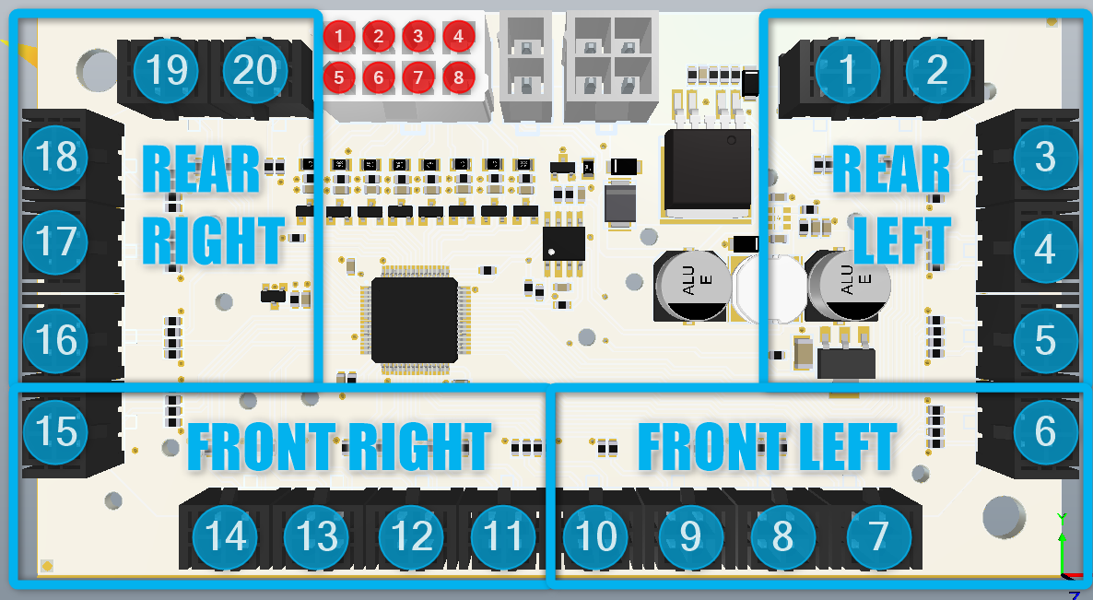

CANBUS COMMAND to request sequential status
ID | DLC | D0 | D1 | D2 | D3 | D4 | D5 | D6 | D7
0x506 | 8 | 0xFF | X | X | X | X | X | X | X

PSU response sequential status
ID | DLC | D0 | D1 | D2 | D3 | D4 | D5 | D6 | D7
0x500 | 8 | 0x56 | 0xFF | X | X | X | X | X | seq.Mode

